kNN Algorithm
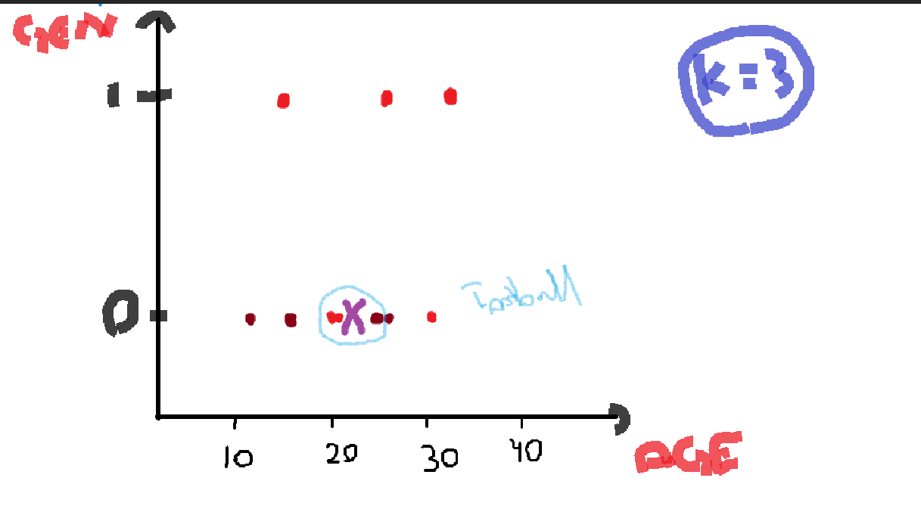
kNN Algorithm |  |  |  | Problem Statement: For a given player, which type of game he/she will prefer, we need to predict the "Game"

Name | Age | Gender | Gender_M | Game | Euclidean Distance
Sameen | 25 | F | 0 | Football | 3 | Football
Zaki | 29 | M | 1 | Cricket | 7.07
Qudsia | 11 | F | 0 | Cricket | 11
Abira | 18 | F | 0 | Football | 4
Madiha | 29 | F | 0 | Cricket | 13.03
Zoraiz | 35 | M | 1 | Football | 7
Ayan | 18 | M | 1 | Cricket | 4.12
Zeemal | 21 | F | 0 | Football | 1 | Football
Hina | 22 | F | 0 | Football | 0 | Football
Samu | 31 | F | 0 | Football | 9

Sameenu | 22 | F | 0 | Football

